Bug 1
Test Case Id |  | Mon_#001 | Project |  | Monefy
Created by |  | Ahmed Fatouh | Assigned to
Excuted by |  | Ahmed Fatouh
Report Date |  | 26/03/2021 | Test Case Status |  | Fail

Environment |  |  |  | Severity |  | High
Device |  | Iphone 6 |  | Priority |  | High
OS version |  | IOS 12.5.1 |  | Impact |  | The data provided to the mobile is not relevant as the percentages may exceed the 100% and sometimes sums up to be less than 100%, this may cause the users to lose the confidence in the app
Internet |  | WiFi Access
App Version number |  | 1.3.16

Issue Title |  | The total of the expenses percentage does not sum to 100%

Step # | Step Details |  | Expected Results |  |  | Expected Results | Status |  | Attachments
1 | Install Monefy app from app store |  | The app is installed successfully in proper time |  |  | As Expected | Pass | 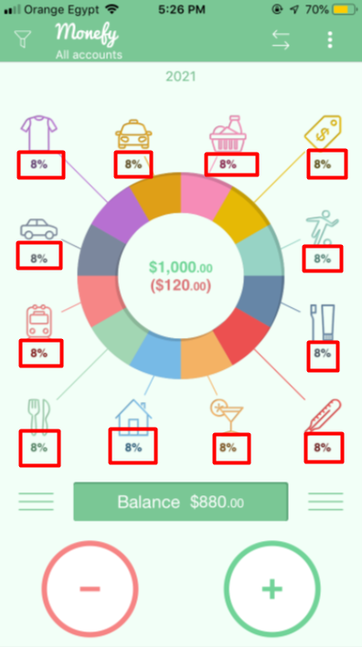 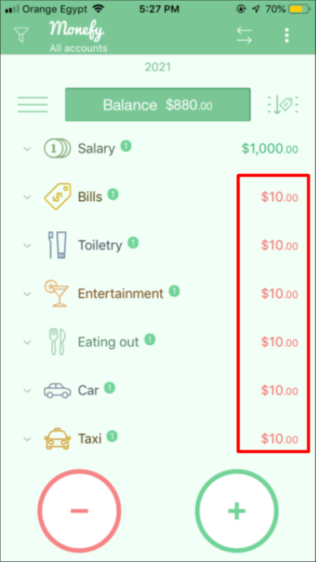 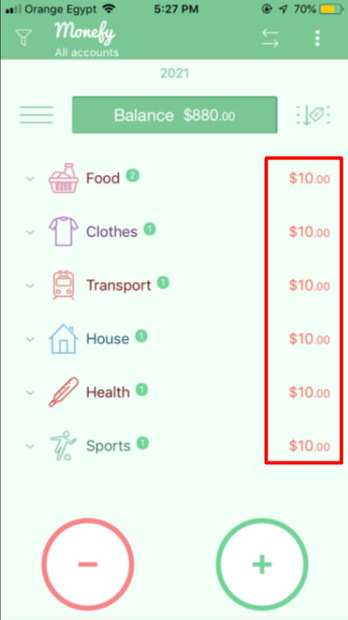
2 | Open the app after the install finishes |  | The app should be opened on the home page containing the pie chart of all expenses. |  |  | As Expected | Pass
3 | Choose any category to add expense to it |  | The add expense screen should opens with number, text fields and submit button |  |  | As Expected | Pass
4 | Add 10$ to the number field and click on the submit button |  | The expense should be added and the should directs the user to the home page and the expense should reflecs to the pie chart data. |  |  | As Expected | Pass
5 | Repeat steps #3 and #4 for all fields |  | The expense should be added and the should directs the user to the home page and the expense should reflecs to the pie chart data. |  |  | As expected | Pass
6 | Summate all categories percentages |  | The sum of the percentages should be equal to 100% |  |  | The total of all categories is only 96% | Fail

Bug 2
Test Case Id |  | Mon_#002 | Project |  | Monefy
Created by |  | Ahmed Fatouh | Assigned to
Excuted by |  | Ahmed Fatouh
Report Date |  | 26/03/2021 | Test Case Status |  | Fail

Environment |  |  |  | Severity |  | Medium
Device |  | Iphone 6 |  | Priority |  | Medium
OS version |  | IOS 12.5.1 |  | Impact |  | The issue affects the UI/UX of the home page, and it may cause confusion for the user to get the corresponding part of the pie chart
Internet |  | WiFi Access
App Version number |  | 1.3.16

Issue Title |  | Not all categories are connected to the Pie chart in the home page

Step # | Step Details |  | Expected Results |  |  | Expected Results | Status | Attachments
1 | Install Monefy app from app store |  | The app is installed successfully in proper time |  |  | As Expected | Pass | 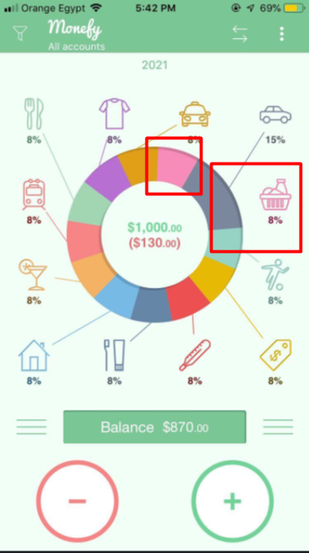
2 | Open the app after the install finishes |  | The app should be opened on the home page containing the pie chart of all expenses. |  |  | As Expected | Pass
3 | Choose any category to add expense to it |  | The add expense screen should opens with number, text fields and submit button |  |  | As Expected | Pass
4 | Add 10$ to the number field and click on the submit button |  | The expense should be added and the should directs the user to the home page and the expense should reflecs to the pie chart data. |  |  | As Expected | Pass
5 | Repeat steps #3 and #4 for all fields |  | The expense should be added and the should directs the user to the home page and the expense should reflecs to the pie chart data. |  |  | As expected | Pass
6 | Add more 10$ for the Car category |  | The expense should be added and the should directs the user to the home page and the expense should reflecs to the pie chart data. |  |  | The data is added to the pie chart but there was some failure in the design where one of the categories is not connected from the Pie chart | Fail

Bug 3
Test Case Id |  | Mon_#003 | Project |  | Monefy
Created by |  | Ahmed Fatouh | Assigned to
Excuted by |  | Ahmed Fatouh
Report Date |  | 26/03/2021 | Test Case Status |  | Fail

Environment |  |  |  | Severity |  | High
Device |  | Iphone 6 |  | Priority |  | High
OS version |  | IOS 12.5.1 |  | Impact |  | The issue destroys the flow of the screen's fields, and forces the user to select the last two fields before the second field or they will get stuck in the screen
Internet |  | WiFi Access
App Version number |  | 1.3.16

Issue Title |  | In the transfer screen, the keypad can not be closed after opening it.

Step # | Step Details |  | Expected Results |  |  | Expected Results | Status | Attachments
1 | Install Monefy app from app store |  | The app is installed successfully in proper time |  |  | As Expected | Pass | 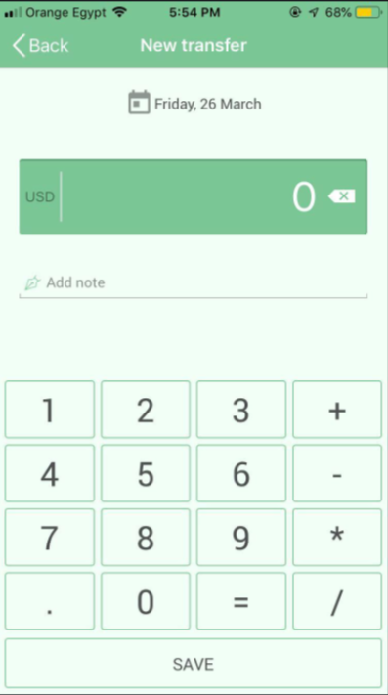
2 | Open the app after the install finishes |  | The app should be opened on the home page containing the pie chart of all expenses. |  |  | As Expected | Pass
3 | Open the new transfer screen from the app header in the homw page |  | The transfer screen should open with the value, add note, and two accounts drop menus in the screen |  |  | As Expected | Pass
4 | Click on the Value field |  | A number Keypad should opens for the user to add the amount of money to transfer |  |  | As Expected | Pass
5 | Try to select the accounts to transfer between them |  | The user should have an option to close the keypad to continue entering their data according to the screen flow |  |  | The Keypad is not closable and remains in the screen until the user submits the transfer form | Fail

Bug 4
Test Case Id |  | Mon_#004 | Project |  | Monefy
Created by |  | Ahmed Fatouh | Assigned to
Excuted by |  | Ahmed Fatouh
Report Date |  | 26/03/2021 | Test Case Status |  | Fail

Environment |  |  |  | Severity |  | Low
Device |  | Iphone 6 |  | Priority |  | Low
OS version |  | IOS 12.5.1 |  | Impact |  | The issue may cause some confusion for the user not knowing what input reflects to which field
Internet |  | WiFi Access
App Version number |  | 1.3.16

Issue Title |  | Two input tools in the same time due to some certain scenario

Step # | Step Details |  | Expected Results |  |  | Expected Results | Status | Attachments
1 | Install Monefy app from app store |  | The app is installed successfully in proper time |  |  | As Expected | Pass | 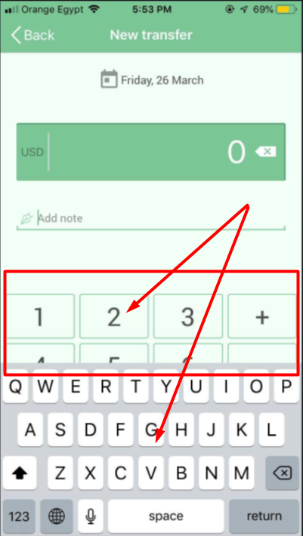
2 | Open the app after the install finishes |  | The app should be opened on the home page containing the pie chart of all expenses. |  |  | As Expected | Pass
3 | Open the new transfer screen from the app header in the homw page |  | The transfer screen should open with the value, add note, and two accounts drop menus in the screen |  |  | As Expected | Pass
4 | Click on the Value field |  | A number Keypad should opens for the user to add the amount of money to transfer |  |  | As Expected | Pass
5 | Click on the add note field |  | A native keyboard should opens and close the keypad from the previous step |  |  | The native keyboard opens but the old keypad is still there giving to inputs tools at the same time | Fail

Bug 6
Test Case Id |  | Mon_#006 | Project |  | Monefy
Created by |  | Ahmed Fatouh | Assigned to
Excuted by |  | Ahmed Fatouh
Report Date |  | 26/03/2021 | Test Case Status |  | Fail

Environment |  |  |  | Severity |  | Medium
Device |  | Iphone 6 |  | Priority |  | Medium
OS version |  | IOS 12.5.1 |  | Impact |  | The issue will causes bad experience for the user and their data on the large scale (If the user created several categories) and confusing data at the exported sheet
Internet |  | WiFi Access
App Version number |  | 1.3.16

Issue Title |  | In the Add and Edit Categories screen, there should be a validation on the category name.

Step # | Step Details |  | Expected Results |  |  | Expected Results | Status |  | Attachments
1 | Install Monefy app from app store |  | The app is installed successfully in proper time |  |  | As Expected | Pass | 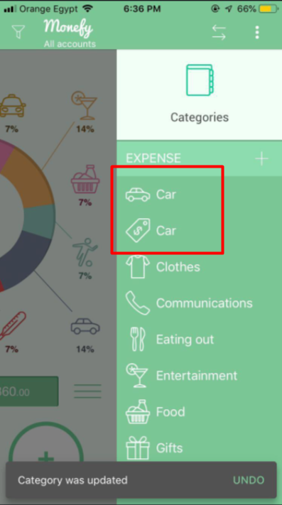 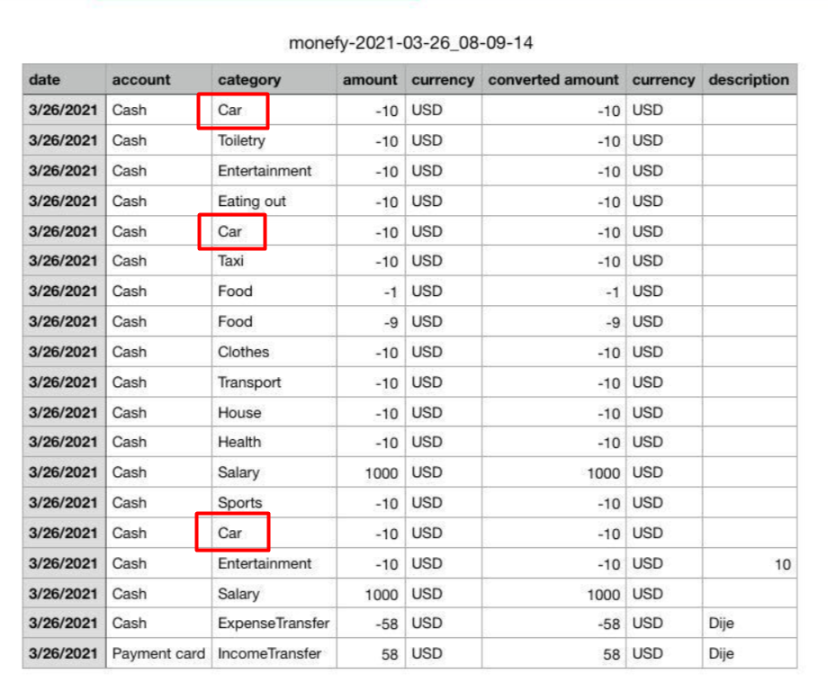
2 | Open the app after the install finishes |  | The app should be opened on the home page containing the pie chart of all expenses. |  |  | As Expected | Pass
3 | Open the left side menu |  | The side menu should open for the user |  |  | As Expected | Pass
4 | Click on the categories button |  | A drop menu should open with list of all categories (Expense and Income) |  |  | As Expected | Pass
5 | Select The Bills category to edit |  | The Edit category screen should open with the data of the Bills category |  |  | As Expected | Pass
6 | Edit the name of the category to be "Car" and click on Done |  | The app should prevents the user from this action as there is another category with the same name |  |  | The app performs the action without any validation leadin to the same name for two categories | Fail

Bug 8
Test Case Id |  | Mon_#008 | Project |  | Monefy
Created by |  | Ahmed Fatouh | Assigned to
Excuted by |  | Ahmed Fatouh
Report Date |  | 26/03/2021 | Test Case Status |  | Fail

Environment |  |  |  | Severity |  | Low
Device |  | Iphone 6 |  | Priority |  | Low
OS version |  | IOS 12.5.1 |  | Impact |  | The IOS user experience is violated due to this issue. We can use the icons attached as the export Icon.
Internet |  | WiFi Access
App Version number |  | 1.3.16

Issue Title |  | The Export icon in the right side menu is similar to the share icon of the IOS apps

Step # | Step Details |  | Expected Results |  |  | Expected Results | Status |  | Attachments
1 | Install Monefy app from app store |  | The app is installed successfully in proper time |  |  | As Expected | Pass | 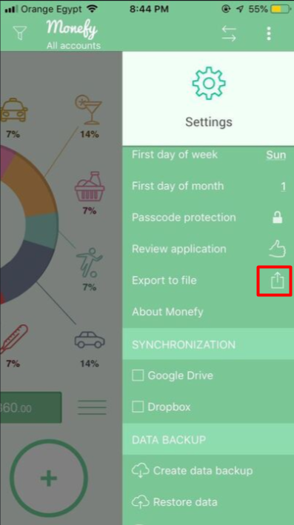 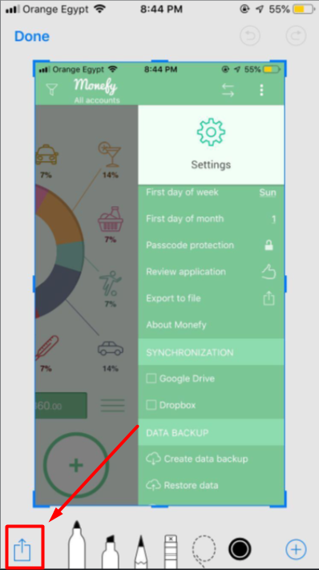  
2 | Open the app after the install finishes |  | The app should be opened on the home page containing the pie chart of all expenses. |  |  | As Expected | Pass
3 | Open the left side menu |  | The side menu should open for the user |  |  | As Expected | Pass
4 | Click on the settings button |  | A drop menu should open with list of all app settings |  |  | As Expected | Pass
5 | Note that Export icon in the list |  | The icon of the export should be destinctive and respects the IOS users experience |  |  | The Icon used in the export field is the exactly icon used for the sharing process | Fail

Bug 9
Test Case Id |  | Mon_#009 | Project |  | Monefy
Created by |  | Ahmed Fatouh | Assigned to
Excuted by |  | Ahmed Fatouh
Report Date |  | 26/03/2021 | Test Case Status |  | Fail

Environment |  |  |  | Severity |  | Low
Device |  | Iphone 6 |  | Priority |  | Low
OS version |  | IOS 12.5.1 |  | Impact |  | The icons used will cause some missunderstanding to the user as the icons are not informative
Internet |  | WiFi Access
App Version number |  | 1.3.16

Issue Title |  | The Icons of the create backup and restore data are switched

Step # | Step Details |  | Expected Results |  |  | Expected Results | Status | Attachments
1 | Install Monefy app from app store |  | The app is installed successfully in proper time |  |  | As Expected | Pass | 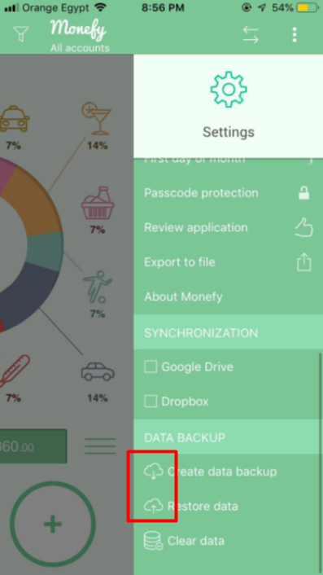
2 | Open the app after the install finishes |  | The app should be opened on the home page containing the pie chart of all expenses. |  |  | As Expected | Pass
3 | Open the left side menu |  | The side menu should open for the user |  |  | As Expected | Pass
4 | Click on the settings button |  | A drop menu should open with list of all app settings |  |  | As Expected | Pass
5 | Note the create data backup and the restore data icon in the list |  | Each item should contains an icon that represents the process for the user. |  |  | the two icons are switched as creating a backup is uploading to the cloud and the restore data is considered as downloading from the cloud | Fail

